Map
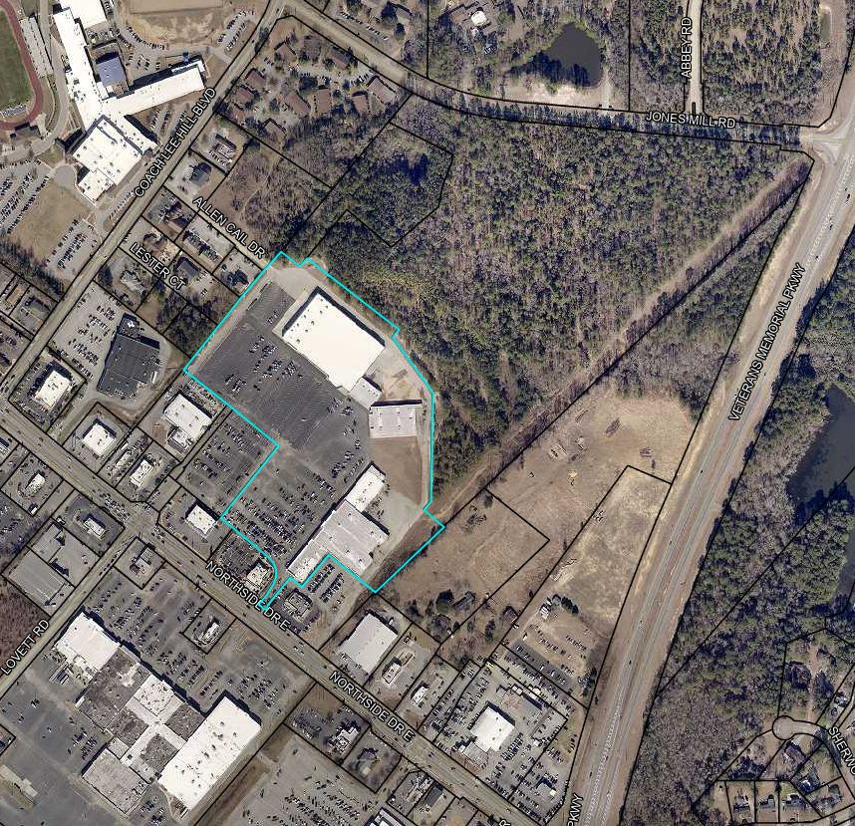

16
17

15

18
3
4

2
5
14

6
7
1

8

9
13

10

11
12

